IPI DRB Minutes
 |  | IBIDEN PHILIPPINES, INC. |  |  |  |  |  |  |  |  |  |  |  |  |  |  |  |  |  | DRB/MRB No. : |  | D-SAP-19-10-002
 |  | DRB/MRB REPORT MINUTES |  |  |  |  |  |  |  |  |  |  |  |  |  |  |  |  |  | RFC No. : |  | 47-1019-0004

Theme: |  |  | Panel Jamming at QET 6
Meeting Date : |  |  | 10-Oct-19 |  |  |  |  |  |  |  |  |  |  |  | Originated by : |  |  |  | Ricky Mendoza
Meeting Time: |  |  | 13:00H - 13:45H |  |  |  |  |  |  |  |  |  |  |  |  |  |  |  |  | Name /Block
Meeting Place: |  |  | SAP OLD DRB Meeting area |  |  |  |  |  |  |  |  |  |  |  | Approved by :
Chairman: |  |  | Ricky Mendoza |  |  |  |  |  |  |  |  |  |  |  |  |  |  |  | Originator ASM/SM/DGM/GM
Block: |  |  | SAP
Attendees : |  |  | Manufacturing |  |  | Engineering/NPD |  |  | Facilities/EE |  |  |  |  | QA/QC |  |  |  |  | PPIC/CSE |  |  |  | Other
 |  |  | Ricky Mendoza |  |  | Angel |  |  | Khel |  |  |  |  | Ferdz
 |  |  | Manuel Dayo |  |  |  |  |  | Miyake San
 |  |  | Kanatani san
15-Nov-19
 |  |  | Ricky Mendoza |  |  | Angel |  |  | Chin |  |  |  |  | Rich
 |  |  |  |  |  | Toni

<1>PROBLEM STATEMENT : (Put another sheet if multiple lots was discovered affected)
DEFECT ISSUE: |  |  | Panel Jamming at QET 6 |  | # | PRODUCT/MODEL AFFECTED |  |  | PRODUCT FAMILY |  |  | LEDGER NO. |  | PRODUCT SIZE |  | LOT NUMBER |  |  | AFFECTEDLAYER |  | AFFECTED PANEL |  | AFFECTED UNIT OR IF PERCENTAGE
DATE/TIME OCCURRED: |  |  | Oct-09-19 |  | 1 | IPI Renoir FP6 |  |  |  |  |  | 022-1708 |  |  |  | P7888270 |  |  |  |  | 1 2 7-21 31
PROCESS DETECTED: |  |  | QET |  | 2
PROCESS AFFECTED: |  |  | QET |  | 3
# OF AFFECTED LOTS : |  |  | 1 |  | 4
WHO DETECTED: |  |  |  |  | 5
WHAT IS THE PROBLEM DIFFERENCE FROM NORMAL TO ABNORMAL SITUATION? CHANGING POINT? DISCUSS THE FLOW. (Indicate 5W and 1H)
>> Around 2045h, QET 6 encountered panel jamming with an alarm of M630 Transfer Alarm


THE AGENDA ITEM IS RECURRENCE? |  |  |  | RECURRENCE |  |  | NEW |  |  |  | Recurrence Definition |  |  |  | 1. Rootcause is clear happened in same MC and parts 2. Rootcause is not clear but same issue 3. The Action was not proliferated to other process and machine but it was discussed during the meeting
THE AGENDA ITEM IS ESCAPEE? |  |  |  | YES |  |  | NO
PROBLEM CATEGORY |  |  | MAN |  | MACHINE |  |  | METHOD |  |  | MATERIAL |  |  | MEASUREMENT |  |  |  | ENVIRONMENT |  |  |  | OTHERS
DRB CLOSING RANK |  |  | RANK 1 |  | RANK 2 |  |  | RANK 3 |  |  | RANK 4 |  |  | RANK 5 |  |  |  | OTHERS

<2> INVESTIGATION/IDENTIFICATION OF AFFECTED AREA, SITUATION (Define the phenomenon, mode and tendency occurrence,Etc.)
>> During auto running, encountered panel jamming that started at aircut 4, before entrance of alkali bath. Panel #7 is hitting partition cover of alkali causing a jamming of 18 panels in total.

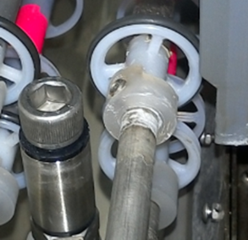
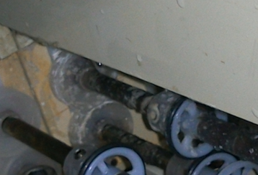
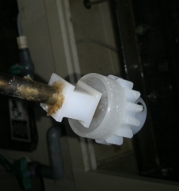
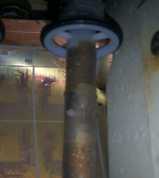
Trouble Situation
Findings # 1
Missing O-ring
Worn-out O-ring
1
Aircut4
2
Findings # 2
Accumulation of chemicals at Stopper and Panel guide roller
MC side
OP side
3
Findings # 3
Chemical accumulation at roller guide and helical gear which make it hard to rotate
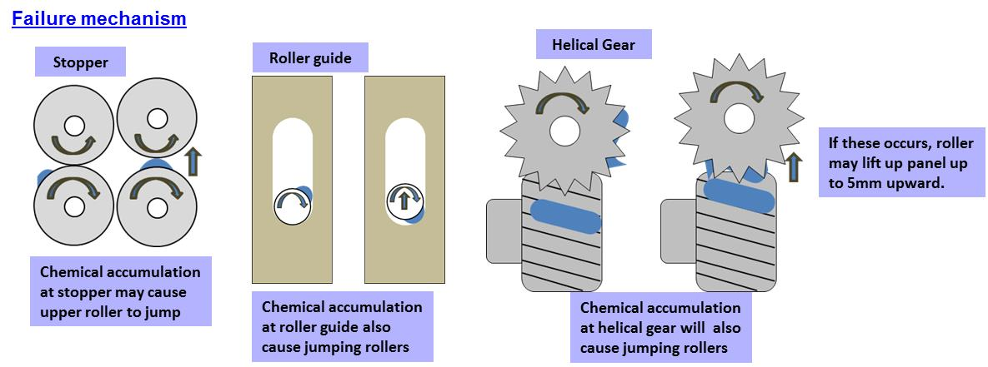

<3> CONTAINMENT ACTION (Note: Do not disable the interlock system when doing the action) |  |  |  |  |  |  |  |  |  |  |  |  |  |  |  | Responsible |  |  | Completion Date |  |  | Status
 |  |  |  |  |  |  |  |  |  |  |  |  |  |  |  | Name / Block
>>Conduct cleaning of rollers, Lubricate the 2 stuck-up panel guide and Replacement of o-ring. |  |  |  |  |  |  |  |  |  |  |  |  |  |  |  | FAC |  |  | Ww41.3 |  |  | DONE
<4> DISPOSITION OF AFFECTED LOT AND RISK ASSESSMENT

Assessment Item (# of sample/Method) |  |  |  | Responsible Name / Block |  |  | Completion Date |  |  | Assessment Result (No Good/TTL QTY) |  |  |  |  |  | Judgment (OK/NG) |  |  | Final Disposition
10-Panels Sheet-out |  |  |  | QC-Ferdz |  |  | Ww41.4 |  |  |  |  |  |  |  |  | NG
8-Panels proceed until AOI |  |  |  | MFG-Ricky |  |  | WW41.4 |  |  |  |  |  |  |  |  |  |  |  |  | Proceed |  | Qty : ______________________________
 |  |  |  |  |  |  |  |  |  |  |  |  |  |  |  |  |  |  |  | Piece Out |  | Qty : _______ Pnl #: ________________
 |  |  |  |  |  |  |  |  |  |  |  |  |  |  |  |  |  |  |  | Sheet Out |  | Qty : ______________________________ | 10
 |  |  |  |  |  |  |  |  |  |  |  |  |  |  |  |  |  |  |  | Lot Out |  | Qty : ______________________________
 |  |  |  |  |  |  |  |  |  |  |  |  |  |  |  |  |  |  |  | SDR
Risk Assessment Category |  |  |  |  |  |  |  |  |  |  | Remarks
 |  | Low |  | Medium |  |  |  | High |  |  | ________________________

<5>ACTION REQUIRED (Note: Do not disable the interlock system when doing the action)

Action Request |  |  |  |  |  |  |  |  |  | Responsible Name / Block |  |  |  |  |  | Completion Date |  |  | Detail Results
1.Comparison of QET Machine vs JAPAN and IPI |  |  |  |  |  |  |  |  |  | EE-April |  |  |  |  |  | TBD
2.Use 0.2Dummy panels during buy-off checking |  |  |  |  |  |  |  |  |  | MFG-Ricky |  |  |  |  |  | Every PM Day
3.Confirm if Oring is really missing or detach only |  |  |  |  |  |  |  |  |  | FAC-Khel |  |  |  |  |  | Ww42.4
4.Check Condition of guide roller at all chamber |  |  |  |  |  |  |  |  |  | FAC-Khel |  |  |  |  |  | Ww42.4
5.Verification of oring condition at all chamber |  |  |  |  |  |  |  |  |  | FAC-Khel |  |  |  |  |  | Ww42.4
6.Last replacement of oring and checking of panel guide |  |  |  |  |  |  |  |  |  | FAC-Khel |  |  |  |  |  | Ww42.4 |  |  | DONE-May-2019 Last Replacement and Checking
7.Check if already included on PIS Checking the Oring and panel Guide |  |  |  |  |  |  |  |  |  | FAC-Khel |  |  |  |  |  | Ww42.4 |  |  | DONE: Oring-once every 6-months / panel guide - Cleaning once per year / inspection once every 6-months
22-Oct-19
1.Conduct Simulation, Put Straigth roller then conduct dummy loading using, 0.2thickness of dummy panel, check for fumes and panel jamming occurrence. |  |  |  |  |  |  |  |  |  | All |  |  |  |  |  | WW43.5
2019-10-30
1.Monitoring of sampling roller checking and air cut condition |  |  |  |  |  |  |  |  |  | All

<6> ROOTCAUSE GENERATION/ANALYSIS <WHY ANALYSIS by 5M1E, DESIGN AND CAPABILITY>

 | 1. FACTOR GAP ANALYSIS
 | Problem/Issue |  | Gap Type |  | 1st why |  |  |  | 2nd why |  |  |  |  |  | 3rd why |  |  |  |  |  | 4th why |  |  | 5th why
 |  |  | Technical |  | Due to stuck-up panel guide roller |  |  |  | Due to hardenned Chemical accumulation |  |  |  |  |  | Due to chemical crystalization of chemicals in certain parts of the machine. |  |  |  |  |  | Due to fumes coming out from the alkalai bath
 |  |  |  |  | Due to jumping rollers
 |  |  | Systemic
 |  |  | Detection
 | 2. FINAL ROOT CAUSE and MECHANISM OF AFFECTED ISSUE

<7> CORRECTIVE ACTION |  |  |  |  |  |  |  |  |  |  |  |  | Responsible |  |  |  | Completion Date |  |  | Status |  |  | Need CN & DR?
 |  |  |  |  |  |  |  |  |  |  |  |  | Name / Block |  |  |  |  |  |  |  |  |  | Yes | No
1. Revise alkalai make-up procedure, Include Water Spray and acid cleaning of rollers and air cut. |  |  |  |  |  |  |  |  |  |  |  |  | MFG-Ricky FAC-Khel |  |  |  | Ww47.2
2.Revise buy-off Check Sheet, Include checking of coveyor condition without spray and use 0.2 dummy panels for QET-6 and 0.4dummy panels. |  |  |  |  |  |  |  |  |  |  |  |  | QC-Dana |  |  |  | WW44.3 |  |  | DONE-On-going DCC Approval
<8> PREVENTIVE ACTION |  |  |  |  |  |  |  |  |  |  |  |  | Responsible |  |  |  | Completion Date |  |  | Status |  |  | Need CN & DR?
 |  |  |  |  |  |  |  |  |  |  |  |  | Name / Block |  |  |  |  |  |  |  |  |  | Yes | No
TBD

<9> PROLIFERATION |  |  |  |  |  |  |  |  |  |  |  |  |  |  |  | Responsible |  |  | Completion |  |  | Status
 |  |  |  |  |  |  |  |  |  |  |  |  |  |  |  | Name / Sign |  |  | Date
Product |  | Block | Process/line |  | Machine |  | Proliferate Item
 |  |  |  |  |  |  | 1
 |  |  |  |  |  |  | 2
<10>AMOUNT OF LOSS . The total sum_________________
Product |  |  |  |  | Unit Qty |  |  |  |  |  |  |  | Amount of Loss |  |  |  |  |  |  | Remarks

<11> CLOSING APPROVAL (The approver person in charge should put details of the validation and closing confirmation result)
The Validation activity |  |  |  |  |  |  |  |  |  |  |  |  |  |  |  |  | Closing Approver |  |  |  |  | Closing Date
 |  |  |  |  |  |  |  |  |  |  |  |  |  |  |  |  | ASM Gloria Reyes

 |  |  |  |  |  |  |  |  |  |  |  |  |  |  |  |  |  |  |  |  |  |  |  |  | QA-SCAR-MRB-02-00-01 Rev. 11

